Daily Power Station Chart_14-01
Plant_01/07/2025Chart

Plant:odco1 |  |  | Installed Capacity:111.180kWp
Today Yield(kWh):582.200kWh |  | Today Earning:232880.000TND |  | Today Full Load Hours(h):5.24h

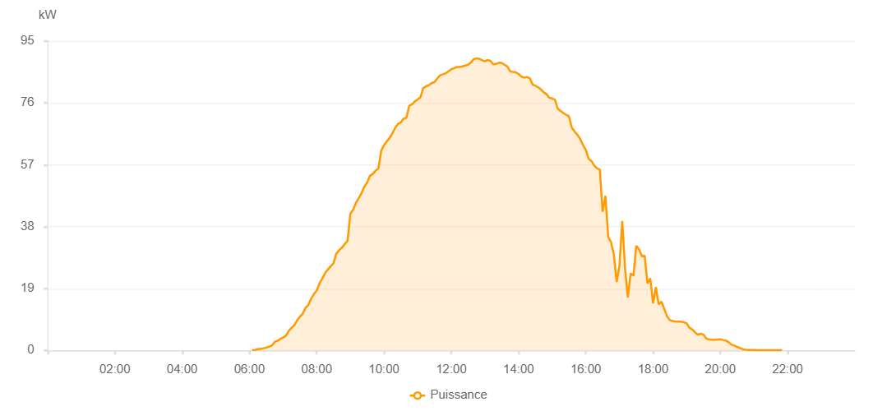

Number | Time | Working State | PV(W) | Instantaneous Radiation(W/㎡)
1 | 06:05:00 | Online | 40.00000 | 0
2 | 06:10:00 | Online | 150.00000 | 1.00000
3 | 06:15:00 | Online | 370.00000 | 1.00000
4 | 06:20:00 | Online | 420.00000 | 4.00000
5 | 06:25:00 | Online | 660.00000 | 7.00000
6 | 06:30:00 | Online | 860.00000 | 15.00000
7 | 06:35:00 | Online | 1180.00000 | 15.00000
8 | 06:40:00 | Online | 1440.00000 | 17.00000
9 | 06:45:00 | Online | 2610.00000 | 22.00000
10 | 06:50:00 | Online | 2930.00000 | 30.00000
11 | 06:55:00 | Online | 3510.00000 | 52.00000
12 | 07:00:00 | Online | 3930.00000 | 63.00000
13 | 07:05:00 | Online | 4460.00000 | 76.00000
14 | 07:10:00 | Online | 5950.00000 | 76.00000
15 | 07:15:00 | Online | 6900.00000 | 90.00000
16 | 07:20:00 | Online | 7700.00000 | 104.00000
17 | 07:25:00 | Online | 9210.00000 | 132.00000
18 | 07:30:00 | Online | 10350.00000 | 149.00000
19 | 07:35:00 | Online | 11240.00000 | 149.00000
20 | 07:40:00 | Online | 13050.00000 | 166.00000
21 | 07:45:00 | Online | 13930.00000 | 199.00000
22 | 07:50:00 | Online | 15860.00000 | 215.00000
23 | 07:55:00 | Online | 17280.00000 | 215.00000
24 | 08:00:00 | Online | 18380.00000 | 234.00000
25 | 08:05:00 | Online | 20580.00000 | 251.00000
26 | 08:10:00 | Online | 22070.00000 | 268.00000
27 | 08:15:00 | Online | 23780.00000 | 285.00000
28 | 08:20:00 | Online | 24840.00000 | 305.00000
29 | 08:25:00 | Online | 25850.00000 | 340.00000
30 | 08:30:00 | Online | 26730.00000 | 359.00000
31 | 08:35:00 | Online | 29740.00000 | 359.00000
32 | 08:40:00 | Online | 30770.00000 | 379.00000
33 | 08:45:00 | Online | 31580.00000 | 396.00000
34 | 08:50:00 | Online | 32670.00000 | 415.00000
35 | 08:55:00 | Online | 33680.00000 | 449.00000
36 | 09:00:00 | Online | 41960.00000 | 467.00000
37 | 09:05:00 | Online | 43200.00000 | 467.00000
38 | 09:10:00 | Online | 45320.00000 | 484.00000
39 | 09:15:00 | Online | 46730.00000 | 500.00000
40 | 09:20:00 | Online | 48330.00000 | 519.00000
41 | 09:25:00 | Online | 50280.00000 | 534.00000
42 | 09:30:00 | Online | 51590.00000 | 549.00000
43 | 09:35:00 | Online | 53630.00000 | 567.00000
44 | 09:40:00 | Online | 54190.00000 | 584.00000
45 | 09:45:00 | Online | 55200.00000 | 600.00000
46 | 09:50:00 | Online | 55880.00000 | 611.00000
47 | 09:55:00 | Online | 61260.00000 | 626.00000
48 | 10:00:00 | Online | 63030.00000 | 641.00000
49 | 10:05:00 | Online | 64220.00000 | 670.00000
50 | 10:10:00 | Online | 65230.00000 | 670.00000
51 | 10:15:00 | Online | 66710.00000 | 686.00000
52 | 10:20:00 | Online | 68370.00000 | 699.00000
53 | 10:25:00 | Online | 69580.00000 | 711.00000
54 | 10:30:00 | Online | 69980.00000 | 722.00000
55 | 10:35:00 | Online | 71180.00000 | 747.00000
56 | 10:40:00 | Online | 71460.00000 | 747.00000
57 | 10:45:00 | Online | 75140.00000 | 760.00000
58 | 10:50:00 | Online | 75580.00000 | 772.00000
59 | 10:55:00 | Online | 76470.00000 | 782.00000
60 | 11:00:00 | Online | 77140.00000 | 804.00000
61 | 11:05:00 | Online | 77720.00000 | 804.00000
62 | 11:10:00 | Online | 80520.00000 | 820.00000
63 | 11:15:00 | Online | 81110.00000 | 820.00000
64 | 11:20:00 | Online | 81460.00000 | 836.00000
65 | 11:25:00 | Online | 82140.00000 | 841.00000
66 | 11:30:00 | Online | 82380.00000 | 841.00000
67 | 11:35:00 | Online | 83510.00000 | 853.00000
68 | 11:40:00 | Online | 84500.00000 | 867.00000
69 | 11:45:00 | Online | 84790.00000 | 869.00000
70 | 11:50:00 | Online | 85110.00000 | 869.00000
71 | 11:55:00 | Online | 85730.00000 | 874.00000
72 | 12:00:00 | Online | 86350.00000 | 890.00000
73 | 12:05:00 | Online | 86650.00000 | 890.00000
74 | 12:10:00 | Online | 87050.00000 | 893.00000
75 | 12:15:00 | Online | 87030.00000 | 898.00000
76 | 12:20:00 | Online | 87250.00000 | 898.00000
77 | 12:25:00 | Online | 87480.00000 | 903.00000
78 | 12:30:00 | Online | 87730.00000 | 904.00000
79 | 12:35:00 | Online | 88410.00000 | 908.00000
80 | 12:40:00 | Online | 89450.00000 | 908.00000
81 | 12:45:00 | Online | 89670.00000 | 908.00000
82 | 12:50:00 | Online | 89600.00000 | 904.00000
83 | 12:55:00 | Online | 89110.00000 | 902.00000
84 | 13:00:00 | Online | 88810.00000 | 900.00000
85 | 13:05:00 | Online | 89210.00000 | 903.00000
86 | 13:10:00 | Online | 88870.00000 | 897.00000
87 | 13:15:00 | Online | 87850.00000 | 897.00000
88 | 13:20:00 | Online | 87970.00000 | 896.00000
89 | 13:25:00 | Online | 88360.00000 | 898.00000
90 | 13:30:00 | Online | 88320.00000 | 891.00000
91 | 13:35:00 | Online | 87730.00000 | 882.00000
92 | 13:40:00 | Online | 87200.00000 | 878.00000
93 | 13:45:00 | Online | 85760.00000 | 878.00000
94 | 13:50:00 | Online | 85510.00000 | 868.00000
95 | 13:55:00 | Online | 85400.00000 | 862.00000
96 | 14:00:00 | Online | 84910.00000 | 862.00000
97 | 14:05:00 | Online | 84090.00000 | 850.00000
98 | 14:10:00 | Online | 83780.00000 | 837.00000
99 | 14:15:00 | Online | 83990.00000 | 837.00000
100 | 14:20:00 | Online | 83620.00000 | 827.00000
101 | 14:25:00 | Online | 81710.00000 | 820.00000
102 | 14:30:00 | Online | 81270.00000 | 809.00000
103 | 14:35:00 | Online | 80790.00000 | 795.00000
104 | 14:40:00 | Online | 80170.00000 | 784.00000
105 | 14:45:00 | Online | 79240.00000 | 770.00000
106 | 14:50:00 | Online | 78680.00000 | 770.00000
107 | 14:55:00 | Online | 77560.00000 | 760.00000
108 | 15:00:00 | Online | 77390.00000 | 748.00000
109 | 15:05:00 | Online | 76960.00000 | 732.00000
110 | 15:10:00 | Online | 74230.00000 | 722.00000
111 | 15:15:00 | Online | 73530.00000 | 712.00000
112 | 15:20:00 | Online | 72920.00000 | 683.00000
113 | 15:25:00 | Online | 72350.00000 | 683.00000
114 | 15:30:00 | Online | 71910.00000 | 670.00000
115 | 15:35:00 | Online | 68400.00000 | 655.00000
116 | 15:40:00 | Online | 67240.00000 | 629.00000
117 | 15:45:00 | Online | 66210.00000 | 629.00000
118 | 15:50:00 | Online | 64940.00000 | 614.00000
119 | 15:55:00 | Online | 63110.00000 | 601.00000
120 | 16:00:00 | Online | 61590.00000 | 577.00000
121 | 16:05:00 | Online | 58860.00000 | 577.00000
122 | 16:10:00 | Online | 58150.00000 | 558.00000
123 | 16:15:00 | Online | 56770.00000 | 517.00000
124 | 16:20:00 | Online | 55890.00000 | 515.00000
125 | 16:25:00 | Online | 55570.00000 | 515.00000
126 | 16:30:00 | Online | 42590.00000 | 350.00000
127 | 16:35:00 | Online | 47450.00000 | 460.00000
128 | 16:40:00 | Online | 34840.00000 | 287.00000
129 | 16:45:00 | Online | 33250.00000 | 287.00000
130 | 16:50:00 | Online | 29510.00000 | 385.00000
131 | 16:55:00 | Online | 21020.00000 | 243.00000
132 | 17:00:00 | Online | 25930.00000 | 243.00000
133 | 17:05:00 | Online | 39770.00000 | 368.00000
134 | 17:10:00 | Online | 25130.00000 | 364.00000
135 | 17:15:00 | Online | 16270.00000 | 104.00000
136 | 17:20:00 | Online | 23660.00000 | 104.00000
137 | 17:25:00 | Online | 22930.00000 | 340.00000
138 | 17:30:00 | Online | 32150.00000 | 312.00000
139 | 17:35:00 | Online | 31020.00000 | 288.00000
140 | 17:40:00 | Online | 28910.00000 | 247.00000
141 | 17:45:00 | Online | 29090.00000 | 247.00000
142 | 17:50:00 | Online | 20570.00000 | 75.00000
143 | 17:55:00 | Online | 22100.00000 | 180.00000
144 | 18:00:00 | Online | 14440.00000 | 95.00000
145 | 18:05:00 | Online | 19460.00000 | 142.00000
146 | 18:10:00 | Online | 14100.00000 | 142.00000
147 | 18:15:00 | Online | 14970.00000 | 140.00000
148 | 18:20:00 | Online | 12730.00000 | 133.00000
149 | 18:25:00 | Online | 10400.00000 | 84.00000
150 | 18:30:00 | Online | 9250.00000 | 73.00000
151 | 18:35:00 | Online | 9030.00000 | 73.00000
152 | 18:40:00 | Online | 8850.00000 | 68.00000
153 | 18:45:00 | Online | 8810.00000 | 57.00000
154 | 18:50:00 | Online | 8820.00000 | 59.00000
155 | 18:55:00 | Online | 8630.00000 | 56.00000
156 | 19:00:00 | Online | 8300.00000 | 55.00000
157 | 19:05:00 | Online | 6920.00000 | 55.00000
158 | 19:10:00 | Online | 6410.00000 | 48.00000
159 | 19:15:00 | Online | 5500.00000 | 45.00000
160 | 19:20:00 | Online | 4810.00000 | 39.00000
161 | 19:25:00 | Online | 5110.00000 | 37.00000
162 | 19:30:00 | Online | 4820.00000 | 35.00000
163 | 19:35:00 | Online | 3630.00000 | 31.00000
164 | 19:40:00 | Online | 3340.00000 | 24.00000
165 | 19:45:00 | Online | 3300.00000 | 24.00000
166 | 19:50:00 | Online | 3250.00000 | 23.00000
167 | 19:55:00 | Online | 3350.00000 | 23.00000
168 | 20:00:00 | Online | 3420.00000 | 23.00000
169 | 20:05:00 | Online | 3190.00000 | 20.00000
170 | 20:10:00 | Online | 3000.00000 | 20.00000
171 | 20:15:00 | Online | 2490.00000 | 19.00000
172 | 20:20:00 | Online | 1730.00000 | 13.00000
173 | 20:25:00 | Online | 1490.00000 | 13.00000
174 | 20:30:00 | Online | 1070.00000 | 10.00000
175 | 20:35:00 | Online | 750.00000 | 7.00000
176 | 20:40:00 | Online | 320.00000 | 4.00000
177 | 20:45:00 | Online | 220.00000 | 3.00000
178 | 20:50:00 | Online | 150.00000 | 2.00000
179 | 20:55:00 | Online | 110.00000 | 0
180 | 21:00:00 | Online | 110.00000 | 0
181 | 21:05:00 | Online | 40.00000 | 0
182 | 21:10:00 | Online | 40.00000 | 0
183 | 21:15:00 | Online | 40.00000 | 0
184 | 21:20:00 | Online | 40.00000 | 0
185 | 21:25:00 | Online | 40.00000 | 0
186 | 21:30:00 | Online | 40.00000 | 0
187 | 21:35:00 | Online | 40.00000 | 0
188 | 21:40:00 | Online | 40.00000 | 0
189 | 21:45:00 | Online | 40.00000 | 0
190 | 21:50:00 | Online | 40.00000 | 0
191 | 22:15:00 | Online | 0.00001 | 0.00001

